Sheet1
Profile measurement
Lens magnification

Measurement equipment :
VK-X Series
Measurement mode
Main image
3D image
Measurement size
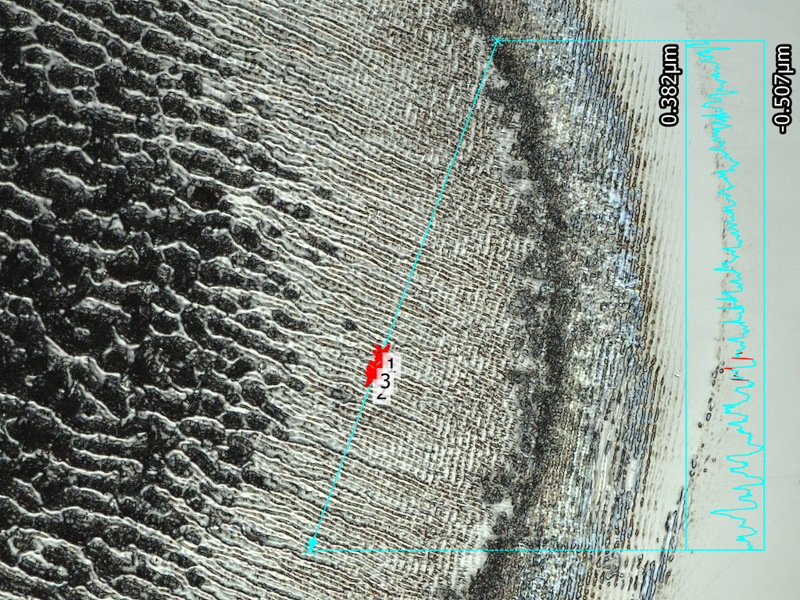
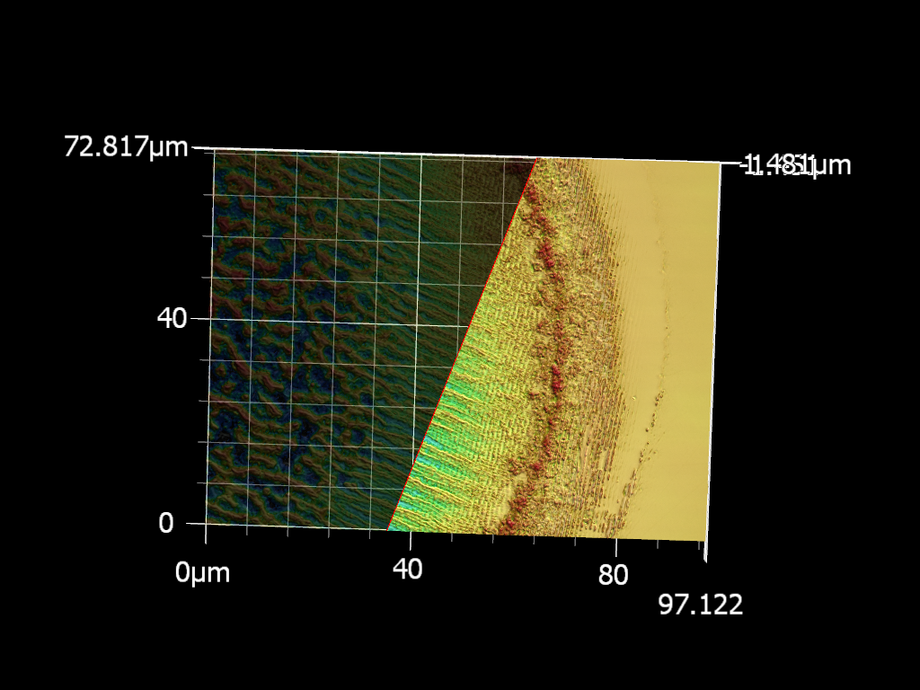
Image size

Analysis condition

Profile
Measurement result
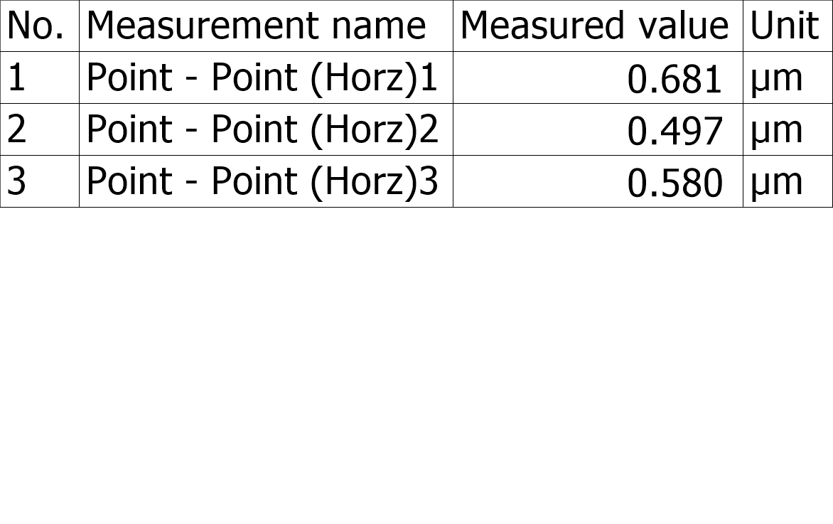

Measurement date and time :

Profile(Absolute)

